1. Title Page
[Customer Profile Analysis]

Project Name: Instacart Customer Profile Analysis
Date: August 4, 2024
Analyst Name: Laura DeCesare

Contents:
Population Flow
Consistency checks
Wrangling steps
Column derivations
Visualizations
Recommendations

Data source:
“The Instacart Online Grocery Shopping Dataset 2017”, Accessed from www.instacart.com/datasets/grocery-shopping-2017 via Kaggle on July 4, 2024.
Customer data and prices fabricated for the purpose of this report.

2. Population Flow
 | Title page

Population flow

Exclusion flag
Condition: max_order <
Obervations to be removed:
Final total count of order_products_all: 32,404,859

Orders_products_combined
Orders_products_merged
Orders_products_all

Total: 32,404,859
Total:
Total: 32,404,859
32,434,489

1.) The grey boxes in the first row of the population flow represent the original data sets as they were when you downloaded them. In the Total fields you need to add the count of the rows when you imported the data set into Jupyter.
2.) The second row of boxes (coloured) represents the data sets after you manipulated them, e.g., removed missing values and duplicates. In the Total fields you need to add the count of the rows after conducting these operations. This offers a visual oveview of how the data flows throughout the data consistency checks.
3.) The third row, where also the arrows are coloured, represents the merges you performed between the datasets. In the Total fields you need to add the count of the rows in the merged datasets, so that you end up with the final dataset (in the red box). Keep in mind the final dataset should be without exclusions (based on the exclusion flag).

3. Consistency checks
 |  |  |  | Title page
Consistency checks

Dataset | Missing values | Missing values treatment | Duplicates
orders | 206,209 in days_since_prior_order | Create new column indicating "New" customer | None
products | 16 in product_name | Create subset without null values | 5, clean dataframe created wtihout dups
customers | 11,259 in First Name | Replace with placeholder "Customer"
df_excluded | NaNs in days_since_prior_order | N/A: Missing values indicate first order. See chart below

4. Wrangling steps
 |  |  |  | Title page
Wrangling steps

Columns dropped | Columns renamed | Columns' type changed | Comment/Reason
 | order_day_of_week RE_DO |  | from order_dow
 |  | user_id to str | behaves as string
 | Surnam: Last Name |  | Intuitiveness
 | STATE: State |  | Capitalization consistency
 | n_dependants: Number_of_dependants |  | Intuitiveness, capitalization consistency
 | fam_status: Marital_status |  | Intuitiveness, capitalization consistency
 | income: Income |  | Capitalization consistency
 | date_joined: Date_joined |  | Capitalization consistency

Note: I later discovered that capitalizing the name of a column would make analysis more difficult. However, at that stage, it was more efficient to go forward with
what I had, rather than invest time and resources in renaming multiple columns a second time.

5. Column derivations
 |  |  |  | Title page

Column derivations and aggregations

Note: Income levels derived from the following sources:
Low-income: https://justicegap.lsc.gov/resource/section-2-todays-low-income-america/
High-income: https://www.epi.org/publication/inequality-2021-ssa-data/
Dataset | New column | Column/s it was derived from | Conditions
Orders_cleaned_2 | customer_status | days_since_prior_order | If value of original column is null, status is New. Otherwise, status is Existing.
orders_products_merge_new_new | price_range_loc | price | Low range <= 5 Mid range >5, ,= 15 High range: >15
orders_products_merge_new_new | Busiest Days | order_dow | Busiest Days 0,1 Regularly busy 2, 5-7 Least Busy 3,4
orders_products_merge_new_new | Busiest Period of Day | order_hour_of_day | Most orders: >=9, <=17 Least orders: <= 6 Average orders: All others
orders_products_aggregated | loyalty_flag | order_number, max_order | Orders > 40: Loyal customer Orders <= 40 and > 10: Regular customer Orders <= 10: New customer
orders_products_aggregated | spending_flag | prices, loyalty_flag, spending_level | Mean spend < 10: Low spender Mean spend >= 10: High spender
orders_products_aggregated | frequency_flag | days_since_prior_order, buy_freq | Days since prior order > 20: Non-frequent customer Days since prior order > 10, <= 20: Regular customer Days since prior order <= 10: Frequent customer
orders_products_excluded | married_yes_no | Marital_status | Married = 'Married' Single, divorced/widowed, or living with parents and siblings = 'Not married'
orders_products_excluded | Parental status | Number_of_dependents | 0 dependents = 'Non-parent' 1+ dependents = 'Parent'
orders_products_excluded | income_level | Income | Above $167,639 = 'High income' Below $17,500 for parents and $34,500 for non-parents = 'Low income' Else = 'Middle income'
orders_products_excluded | age_category | Age | Under 30 = 'Young adult' 30–64 = 'Adult' 65+ = 'Senior citizen'
orders_products_excluded | parent_status_by_age | age_category, Parental status | Young/Adult/Senior, Parent/Non-parent, each combination
orders_products_excluded | Income by age | age_category, income_level | Young/Adult/Senior, Low/Middle/High, each combination
orders_products_excluded | marital_income | married_yes_no, income_level | Married/Not married; Low/Middle/High income, each combination

6. Visualizations
 |  |  |  |  |  |  |  |  | Title page

Visualisations and Recommendations

Key Insights:
★ Most orders come in during daytime hours, with weekends being slightly more popular.
★ Spending fluctuations are highest during the late night and very early morning hours.
★ Frequency has more impact on total number of orders than how long a customer has been with Instacart.
★ Parents, married couples, and mid-income individuals are Instacart's most frequent buyers .

 | Key Question 1 : What are the busiest and least busy times of day and days of the week?

 | For the purposes of this analysis, days of the week are numbered 0 to 6, starting with 0=Saturday.

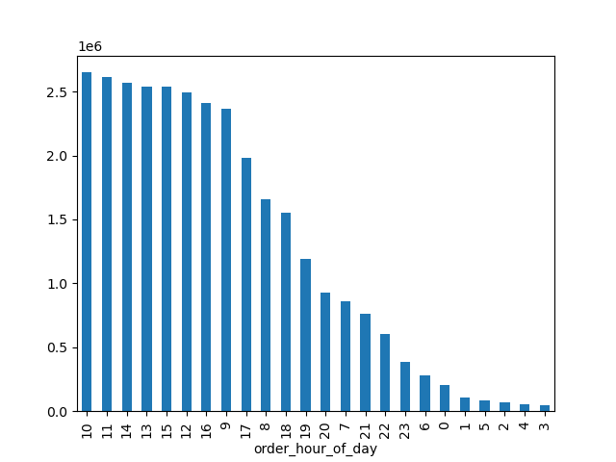

 |  | Busiest days of the week are Saturday and Sunday. |  |  |  |  | Busiest times are 9 AM to 4 PM.
 |  | The least busy days are Tuesday and Wednesday. |  |  |  |  | Least busy times are midnight to 6 AM.

 |  | Recommendation: Run marketing campaigns during the work week. Given people's preference for ordering between 9 and 5, we coud emphasize the convenience of
 |  | ordering at work.

 |  | Key Question 2: At what times of day do people spend the most money?
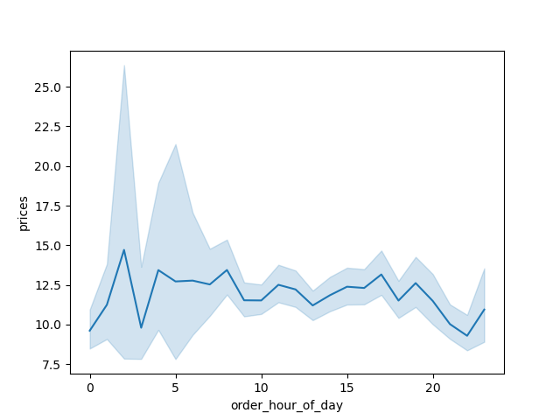

 |  | Recommendation: Spending levels seem to be relatively steady throughout the 24-hour day. However, there is greater fluctuation during the slower midnight to 6 AM period.
 |  | This might be an ideal time to push more expensive products. It's possible the overnight period is a key time for impulse buys.

 |  | Key Question #3: What price ranges do Instacart's products fall into?

 |  | Instacart's products fal into three basic price ranges:
 |  |  | Low range: $5 and under
 |  |  | Mid-range: $5.01 to $15
 |  |  | High-range: $15.01 and up
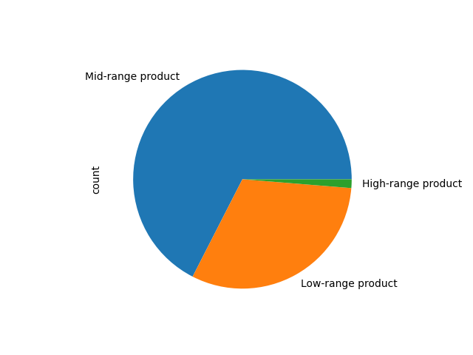

 |  | Recommendation: Instacart has a large volume of $5 and under products.
 |  | We may wish to consider special promotions to cross-sell these with higher-priced items

 |  | Key Question #4: What is the distribution of orders by loyalty status, and are there differences in ordering patterns based on that status?
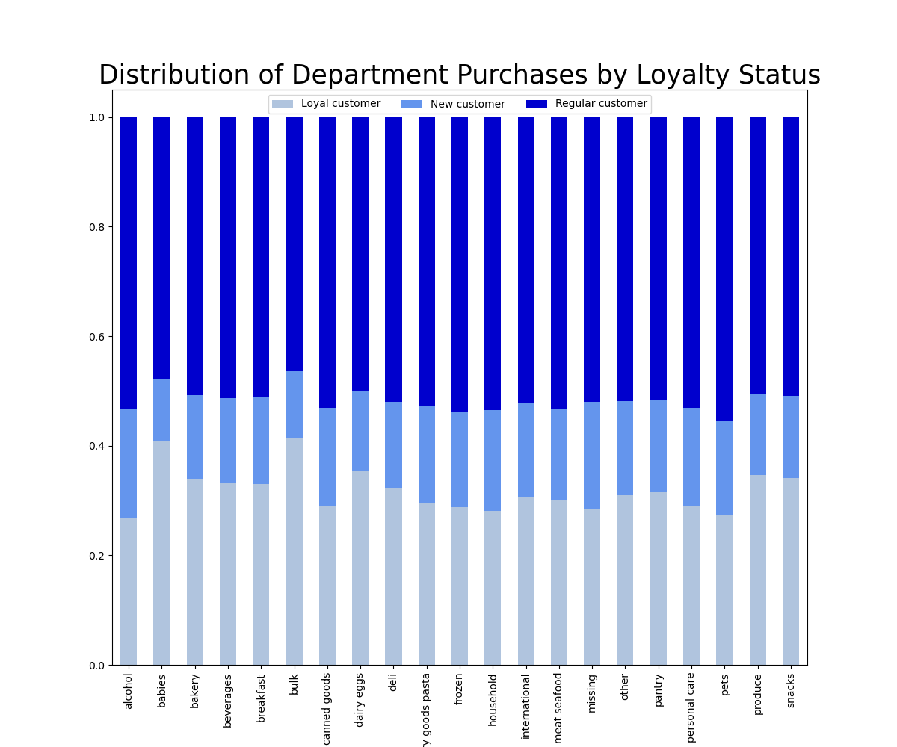
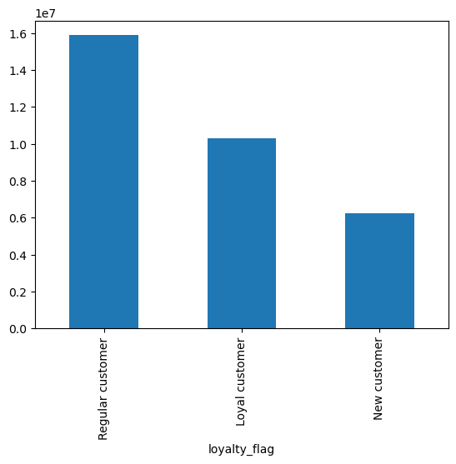

 |  | Insight: Regular customers have placed more orders than "loyal" customers.
 |  | "Loyal" is defined as more than 40 total orders.

 |  | Follow-up: If length of time with Instacart does not indicate a higher number of orders, could frequency be a better indicator?
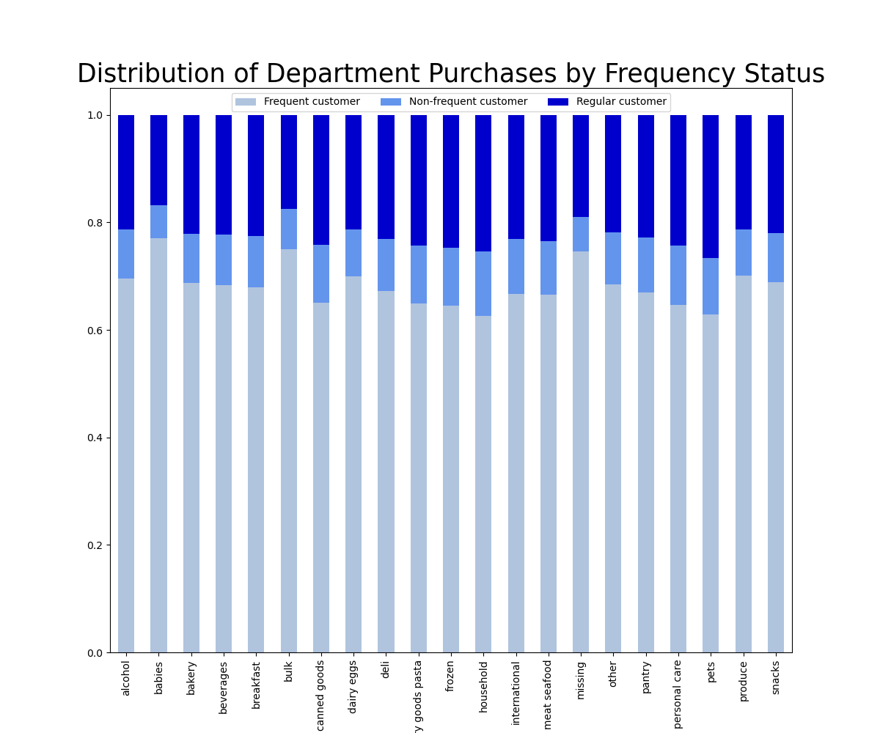
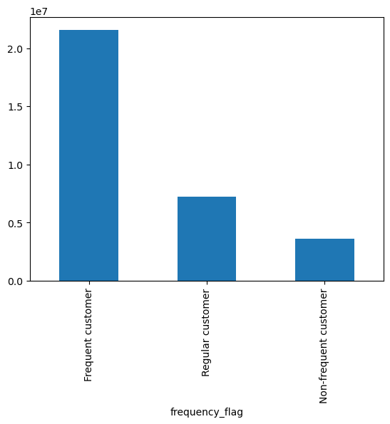

 |  | Insights: Frequent customers place many more orders than loyal customers.
 |  |  | Frequent customers are most likely to buy baby products, bulk items, produce, and snacks.
 |  | Recommendation: When segmenting audiences based on spending level, Instacart should consider focusing on customers with fewer than 10 days between orders.
 |  |  |  | Consider messaging around the concept of convenience and everyday necessities.

 |  | Key Question #5A: Which departments have the highest frequency of product orders?
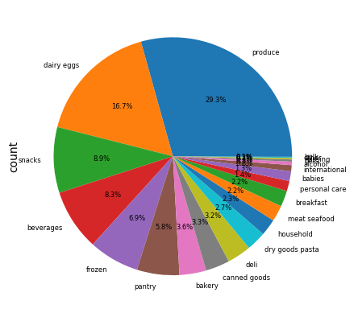
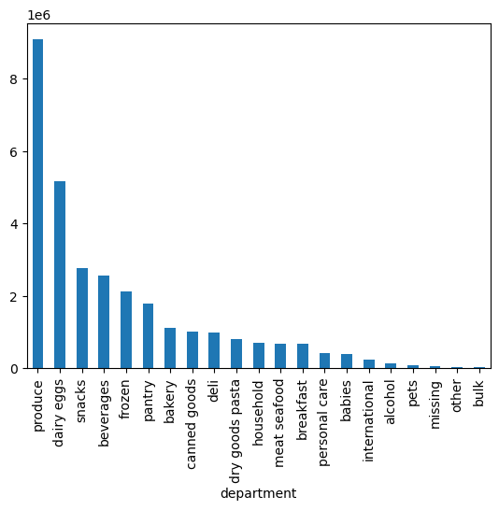

 |  | Insight: Fresh foods are Instacart's most popular items. Products leads the pack, selling nearly double the second-place department of dairy and eggs.
 |  |  | Bulk goods, pets, alcohol, and "other" are the least popular items.
 |  | Recommendation: Emphasize the value of "fresh food straight to your door."
 |  |  |  | Secure an edge on competitiors like Chewy by marketing to pet owners, noting that you can get pet food and human food from the same source.

 |  | Key Question #5B: Are there differences in ordering patterns based on a customer's region, age, or family status?

 |  | Region:

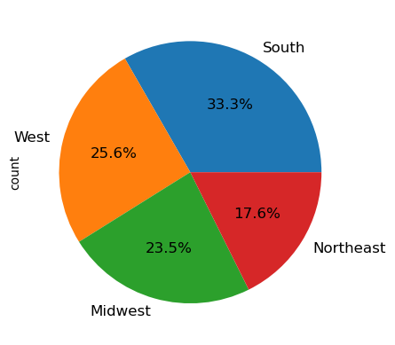

 |  |  |  |  | Insight: Customers in the South place almost twice as many orders as customers in the Northeast.
 |  |  |  |  | Recommendations: Increase marketing investment to Northeast customers.
 |  |  |  |  |  |  | Plan for scaling distribution in the South if sales stay high or grow.

 |  | Age group:

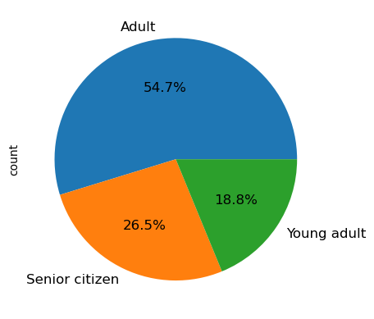

 |  |  |  |  | Insights: Adults age 30–64 are Instacart's biggest customer base.
 |  |  |  |  |  | Young adults are the smallest.
 |  |  |  |  | Recommendations: Create top-of-funnel marketing assets with young adult talent to encourage purchases.
 |  |  |  |  |  |  | Capitalize on working-age customer base by emphasizing convenience.

 |  | Family status:
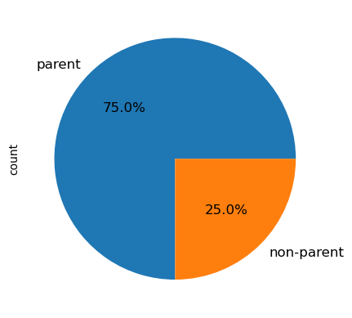

 |  |  |  |  | Insight: Parents generate three of four Instacart orders.
 |  |  |  |  | Recommendation: Invest in marketing assets featuring children for parent segments.
 |  |  |  |  |  |  | Create separate assets for non-parents to boost sales in that demographic.

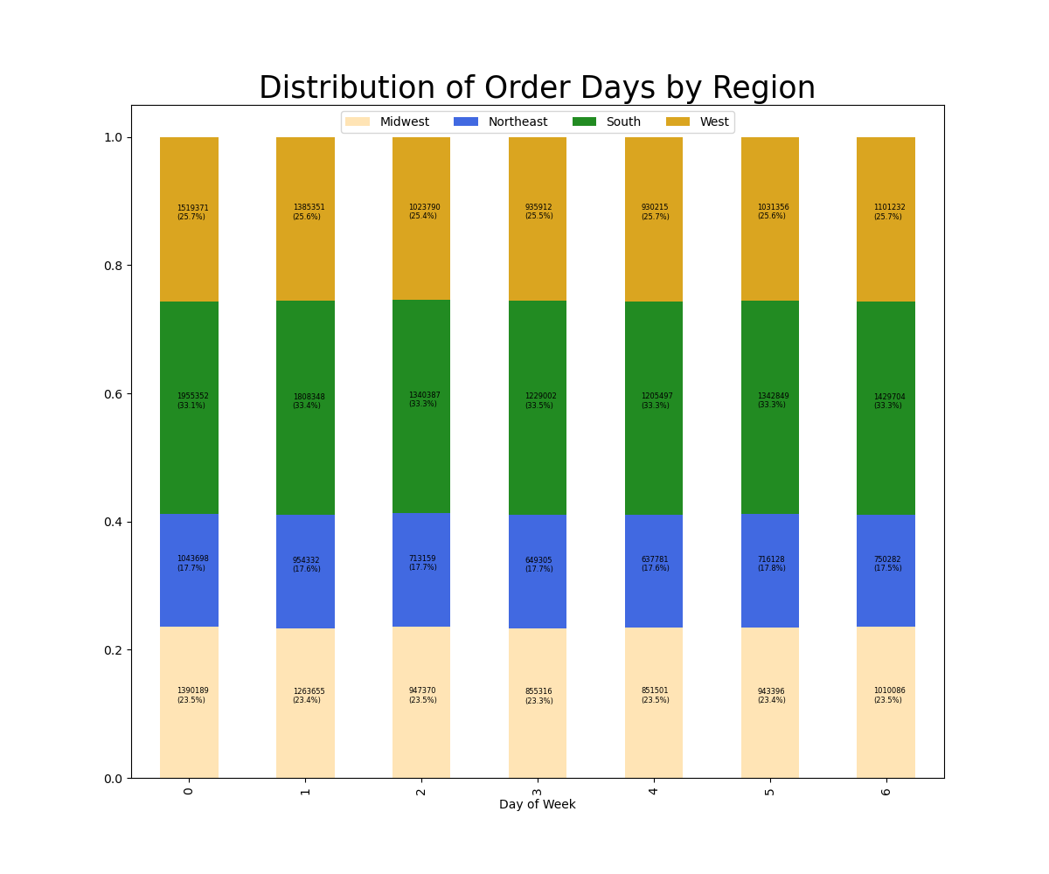
 |  | Ordering Patterns
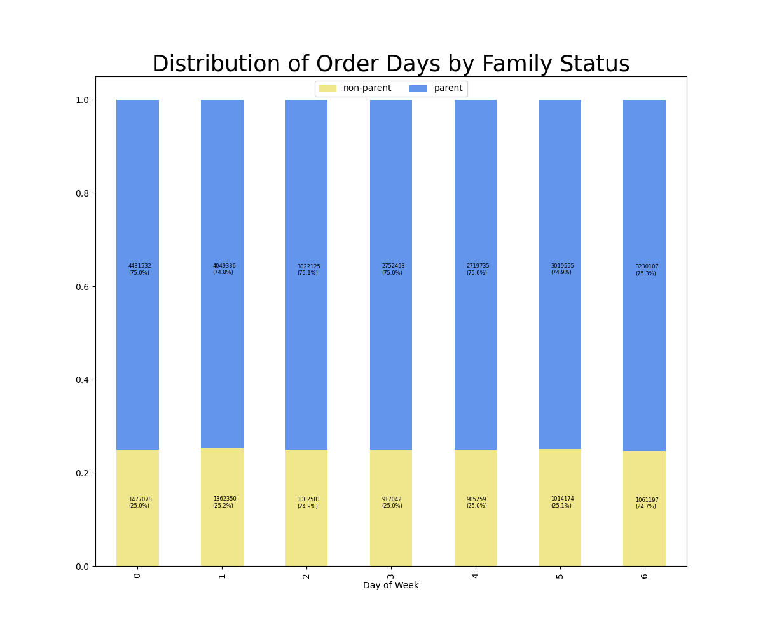
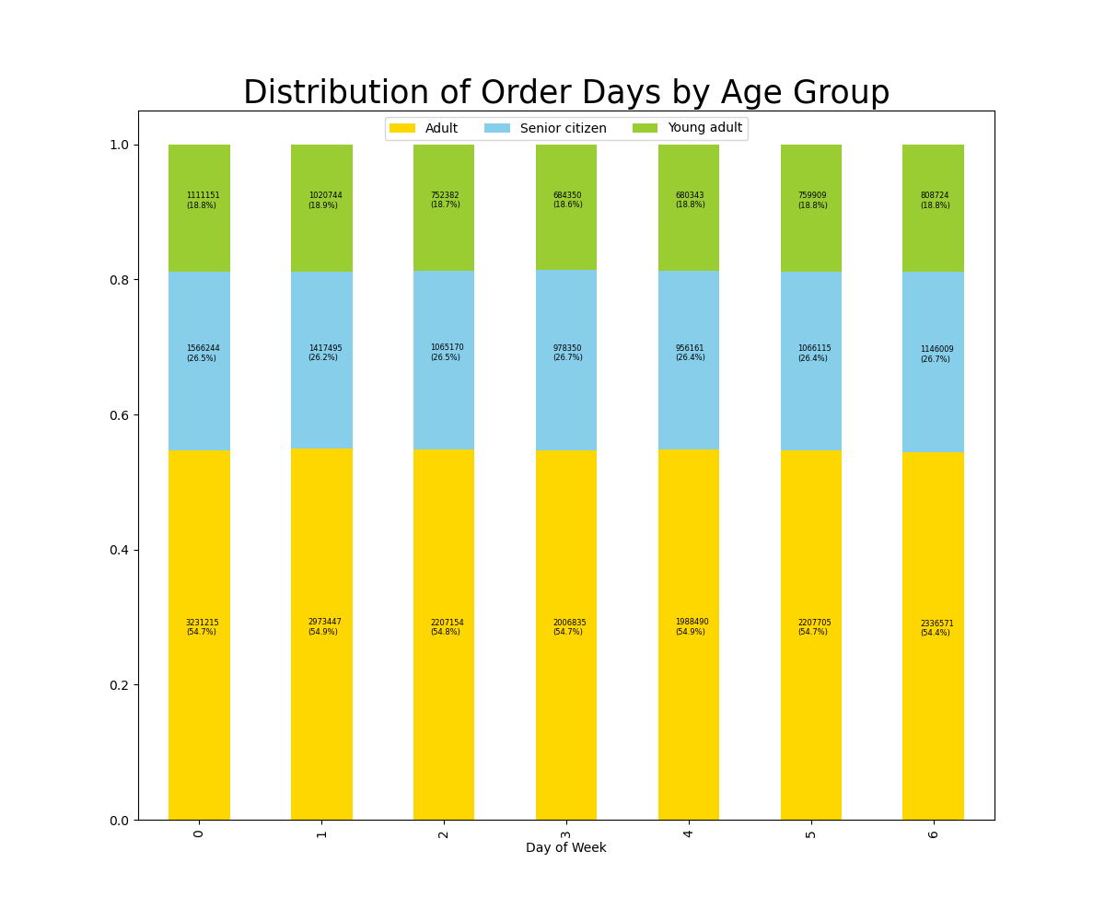

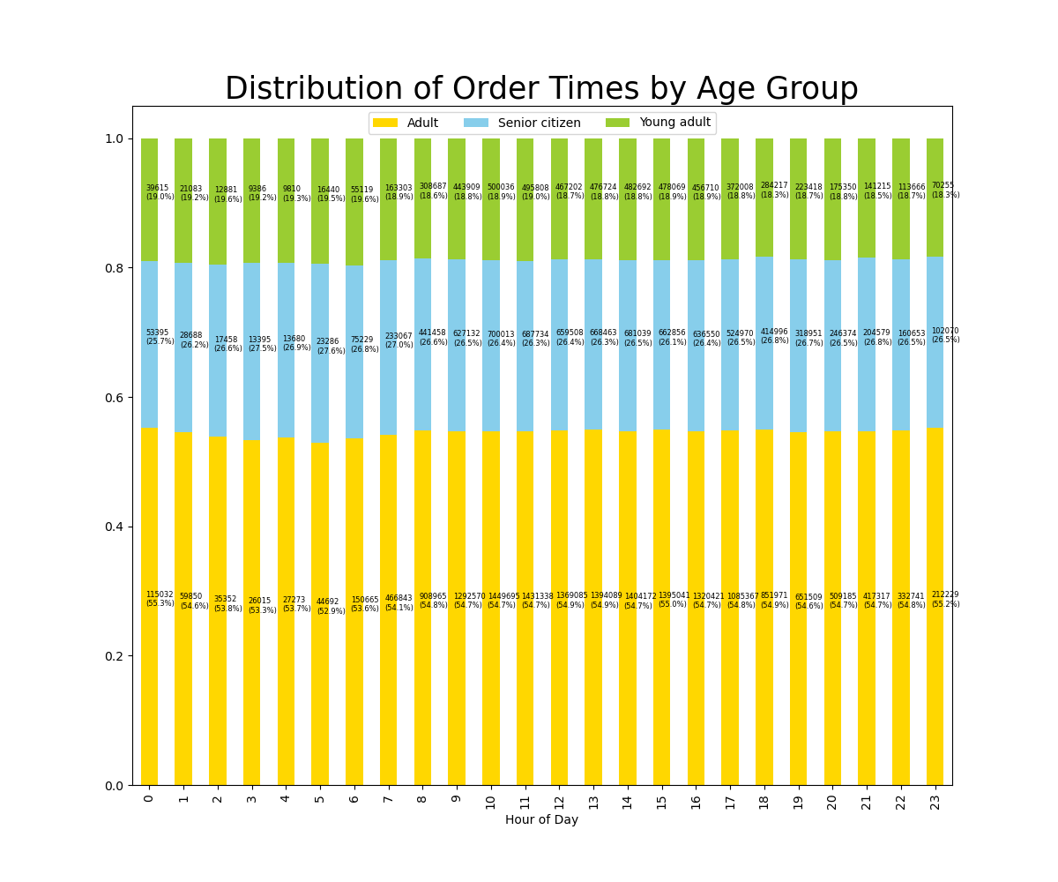
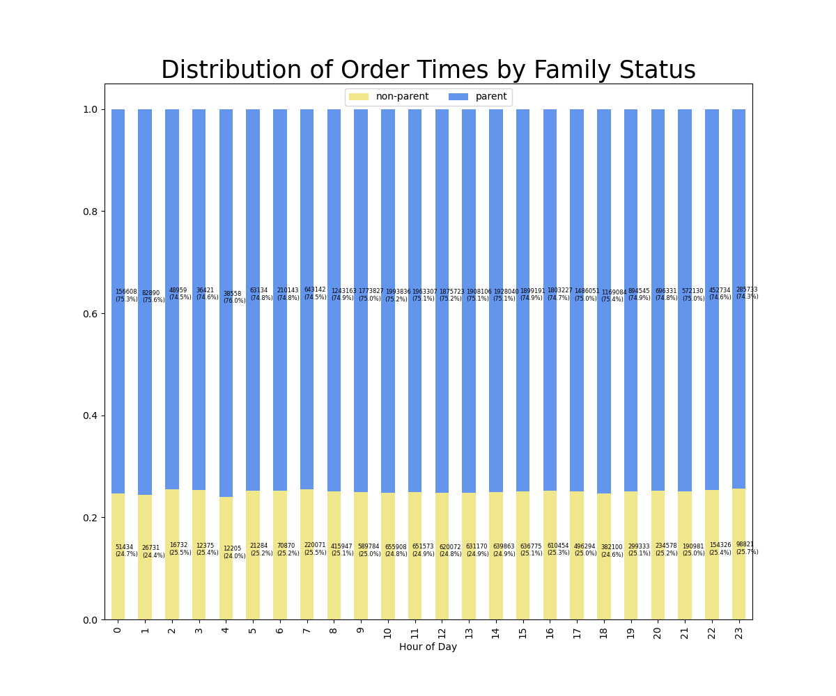
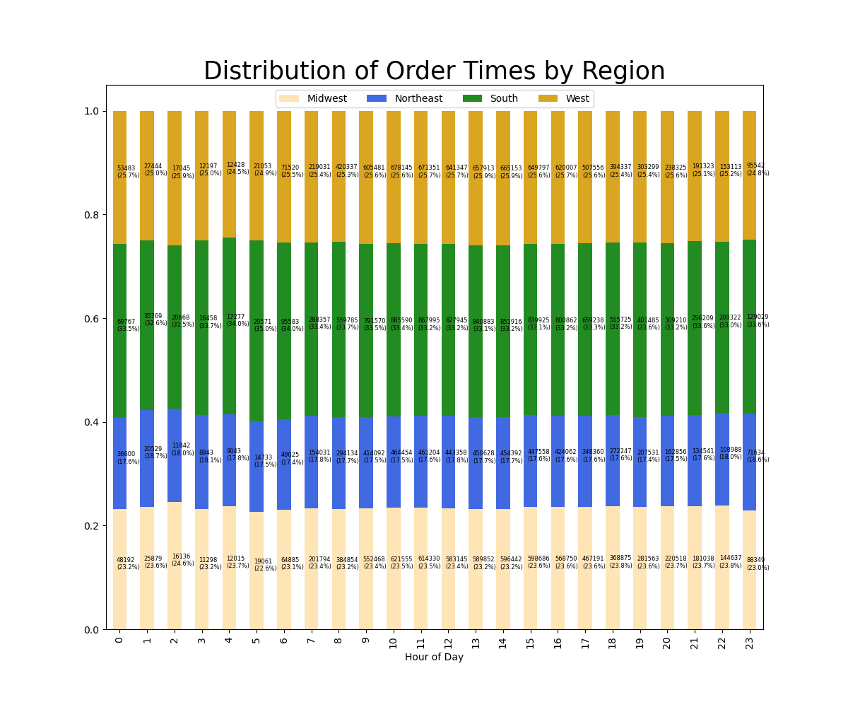

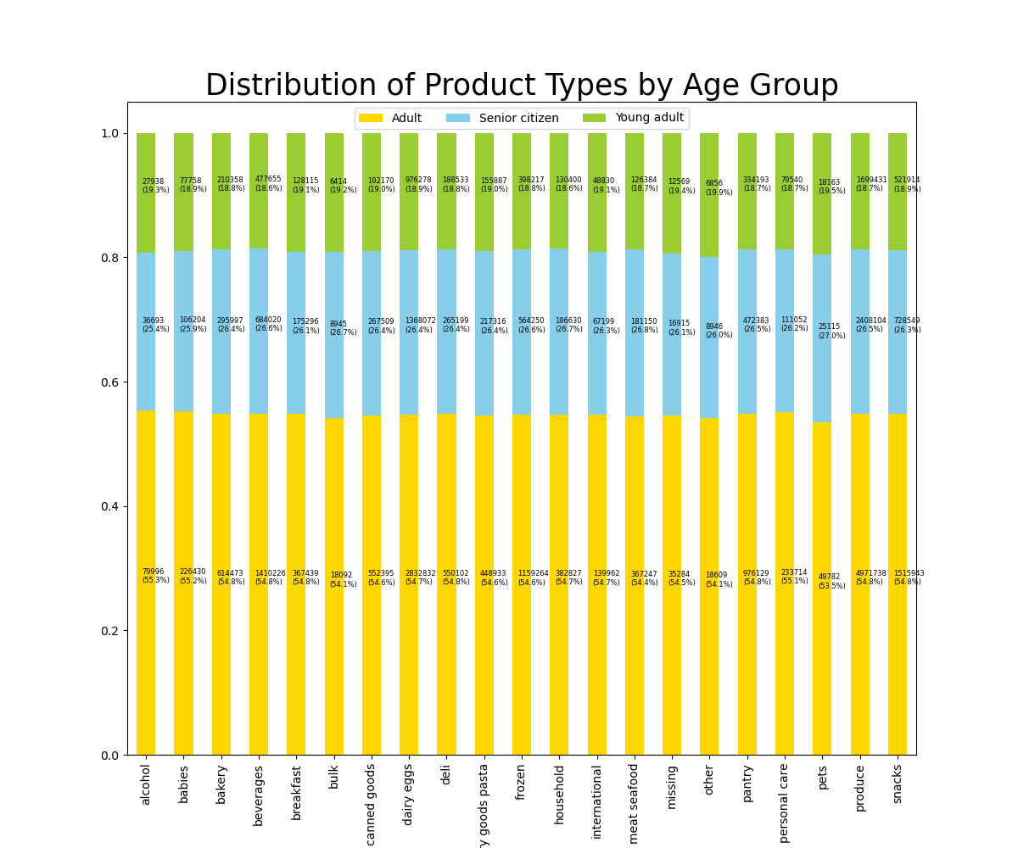
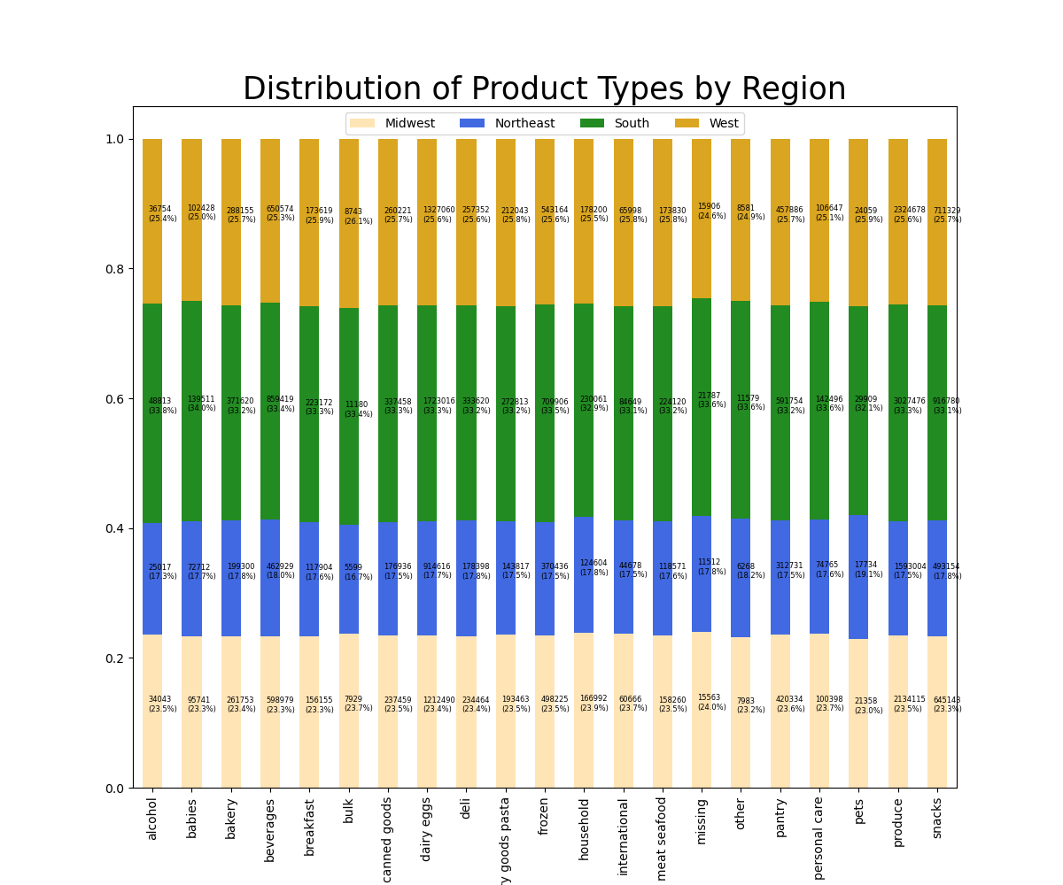
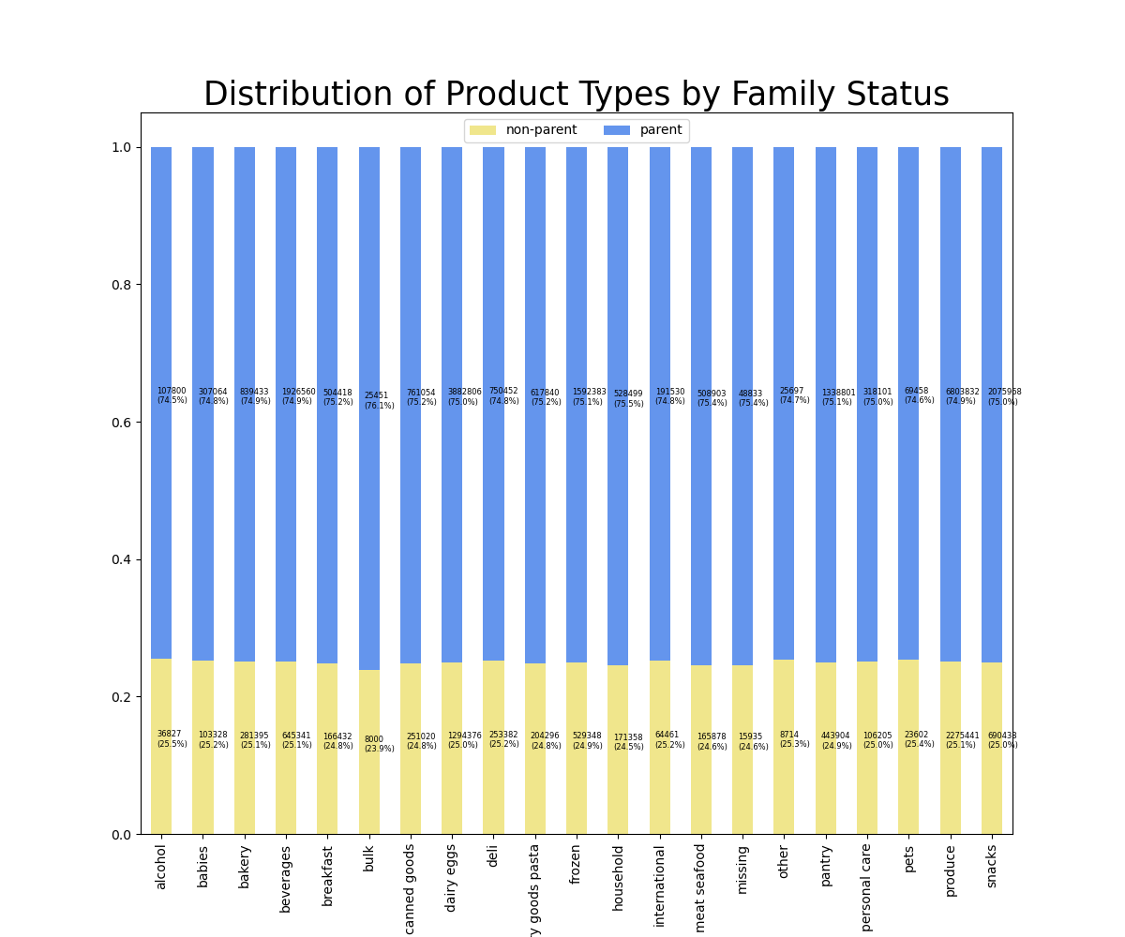

 |  | Insight: Age, family status, and region of residence have little to no effect on what days, times, and products people order.
 |  | Recommendation: Promote product types equally across segments.
 |  |  |  | Schedule promotional messages at the same time and on the same days for all segments.

 |  | Key Question #6: What customer segments does Instacart serve?

 |  | Family Status, Age, and Income Combinations
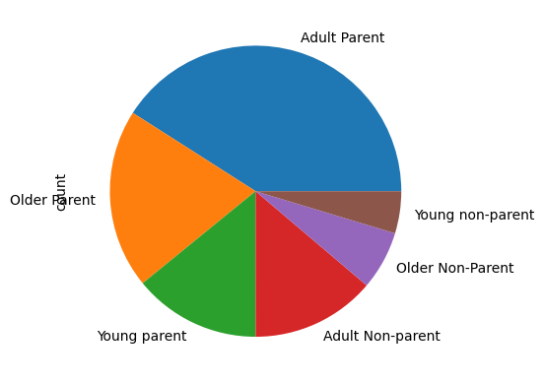
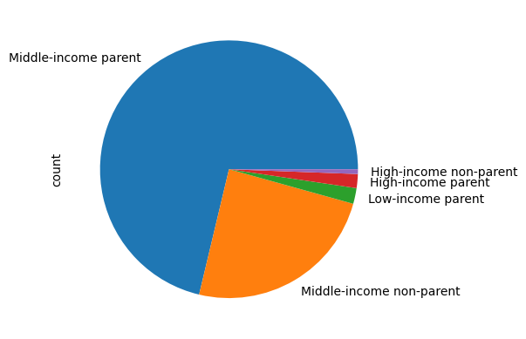

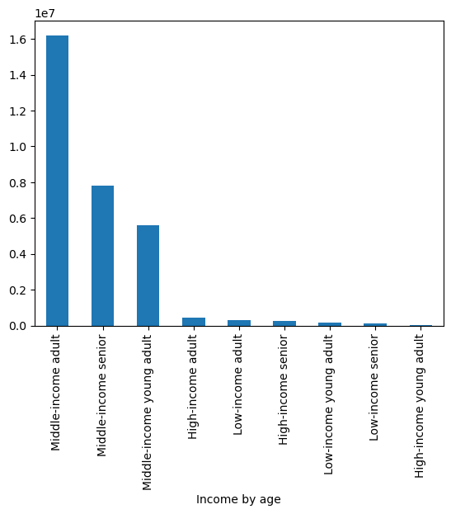
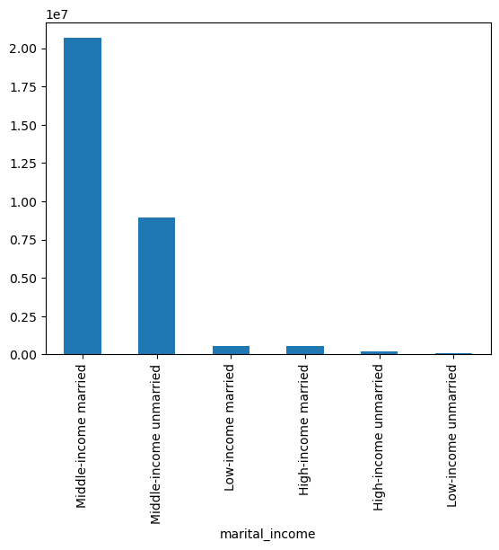

 |  |  |  |  |  |  |  | By marital status:

 |  | Key Insights:
 |  | Middle-income parents drive the highest number of sales. Middle-income non-parents are the second most sizable group.
 |  | Low-income non-parents and singles are typically not Instacart customers.
 |  | High-income customers generate a small percentage of Instacart's orders.
 |  | Young adults and low-income individuals spend less than other groups.
 |  | Married customers spend more than their unmarried counterparts by income group.

 |  | Recommendations:
 |  | Market to young adults and lower-income customers with savings opportunites and affordability messaging.
 |  | Market loyalty perks heavily to middle-income families.
 |  | Look into how Instacart can more effectively appeal ot higher-income buyers.

 |  | Key Question #7: What ordering differences are apparent in different customer profiles?

 |  | Figs. 1-3: Order Frequency

 |  | Fig. 1
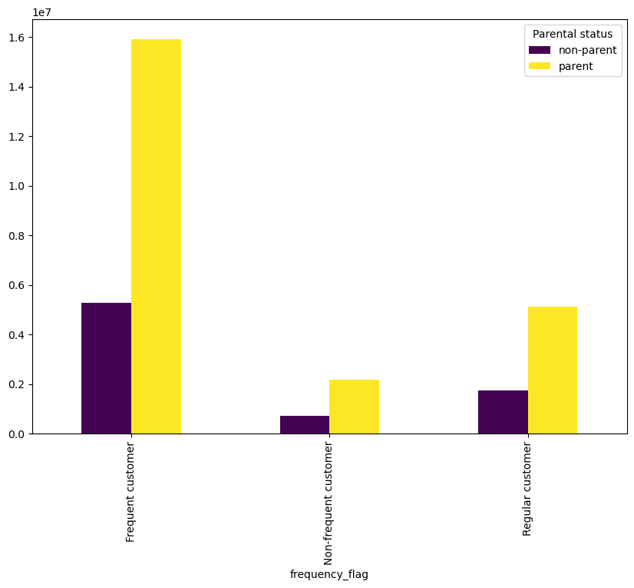

 |  | Insight: The majority of orders placed by frequent customers are from parents.
 |  | Recommendation: Increase cadence of reminder emails for customers with dependents.

 |  | Fig. 2
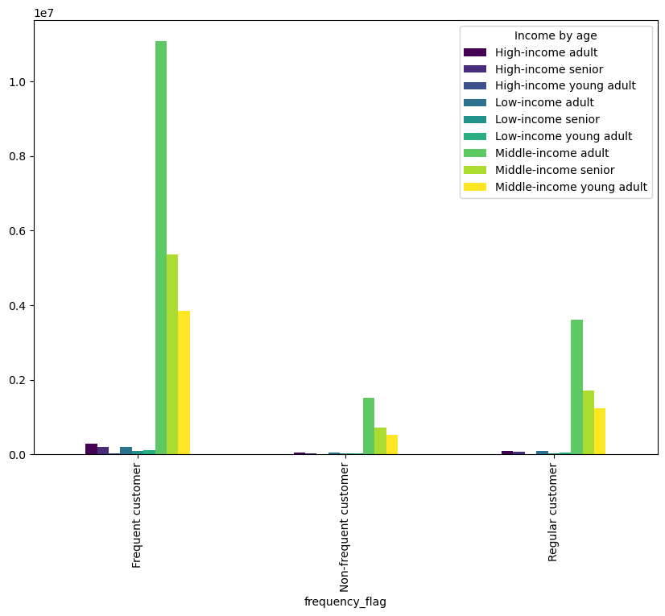

 |  | Insight: In keeping with other findings, middle-income adults are more frequent customers.
 |  |  | Across frequency categories, adults ages 30–64 place more orders.
 |  | Recommendation: Create marketing assets focusing on the convenience of Instacart for working adults.

 |  | Fig. 3
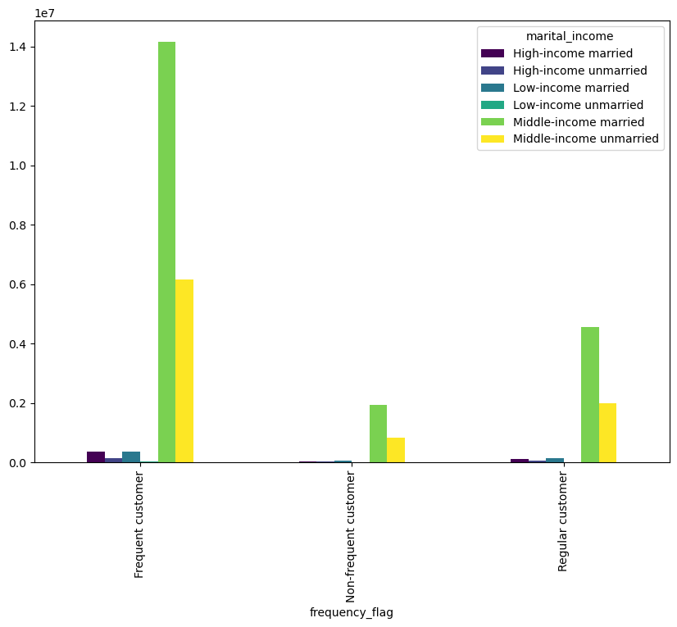

 |  | Insight: Married customers are more frequent buyers than non-married customers.
 |  | Recommendation: Increase email cadence for married customers.

 |  | Figs. 4–5: Product Prices

 |  | Fig. 4
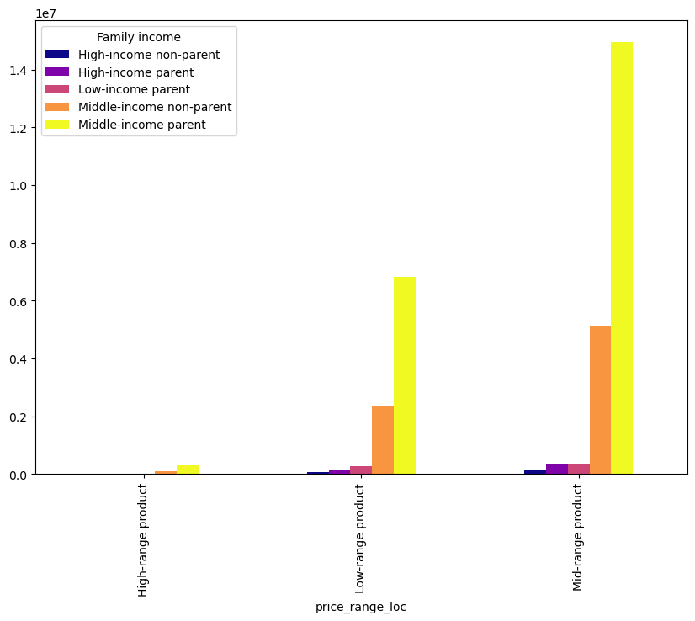

 |  | Insight: Income level does not correlate with price of products purchased. Mid-range products are popular with all income groups and parents still order more.
 |  | Recommendation: Add high-range and low-range products to recommendations for mid- and high-income. customers.
 |  | Consider promoting high-range to low-income on select occasions.

 |  | Fig. 5

 |  | Insight: All groups order more mid- and low-range products than high-range.
 |  | Recommendation: Promote lower-priced products as cart add-ons for all groups.
 |  |  |  | Market high-priced products as "special occasion" purchases (holiday promotions, customer birthdays, etc.)

 |  | Figs. 6-7: Spending Levels

 |  | Fig. 6
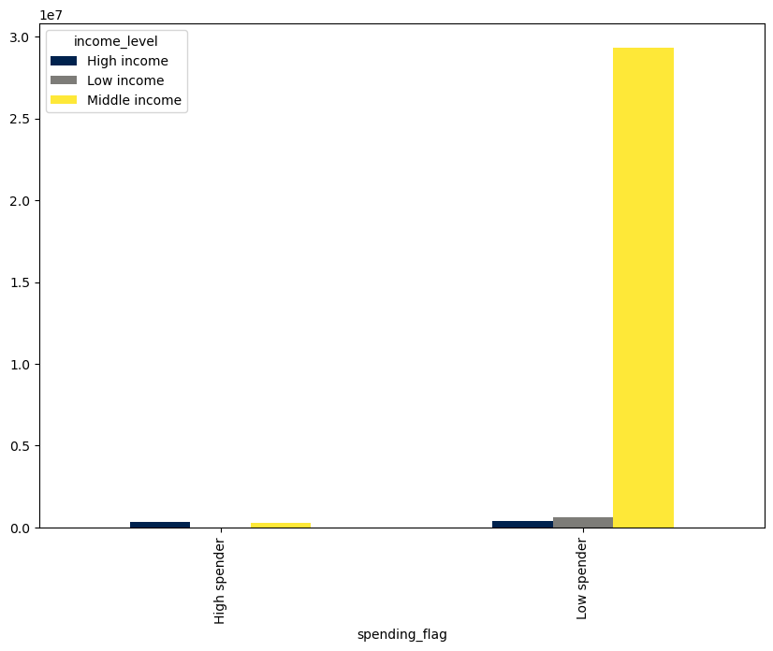

 |  | Insights: The vast majority of customers are low spenders (mean product price <$10).
 |  |  | High-income customers are not more likely to be high spenders.
 |  | Recommendations: Boost sales of high-priced products to higher-income customers to increase order value in that age group.

 |  | Fig. 7
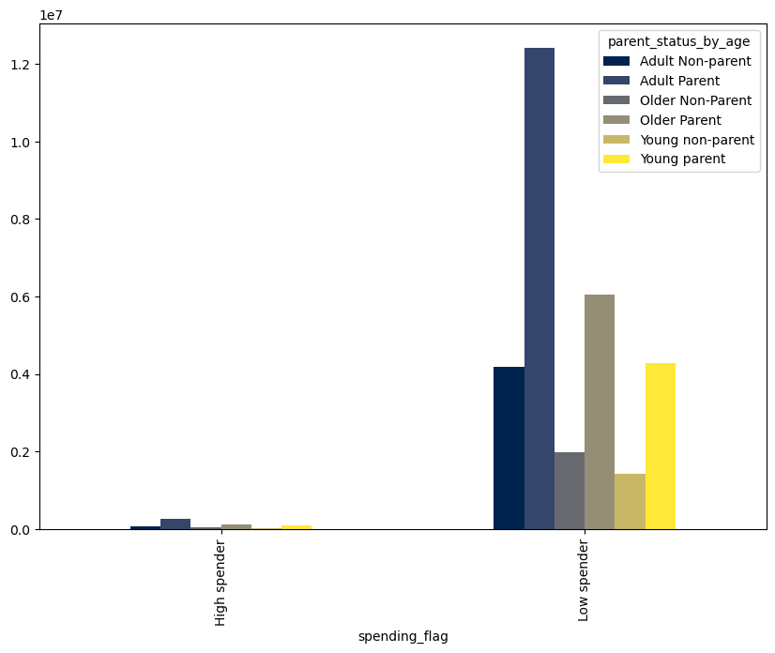

 |  | Insight: Age and parental status do not significantly affect spending levels; all groups are equally likely to be low spenders.
 |  | Recommendation: Promote higher-priced products equally to all ages and family types.

